1
Model：HR-ST70SV（70mm² motor lifting conduit, motor screw lifting wheel ,Knife holder with servo motor）(BV wire maximum 50mm², BVR wire maximum 70mm²)
Machine dimension: 650*570*425mm Weight：108KG Power：2000W Electrical connection: 110V/220V 50HZ/60HZ Operation interface: 7 inch Chinese and English switching touch screen display Wire cross section: MAX￠18mm (Round sheath wire) Wire cross section: 1.0~70mm² (BV wire maximum 50mm², BVR wire maximum 70mm²) Length accuracy： ± 0.2mm Max conduit inside diameter:￠20mm (Motor driven jump tube, no need to connect air pump) Wire length range：Max 100m Round sheath outer wire strip length: Front end:1-200mm, rear end:1-150mm 70mm² wire strip length：Front end:1-100mm; rear end:1-100mm Blade material: high-speed steel Transport speed: (L=200mm） 3000~3500pieces /hour pieces Depends on the material of the wire Drive method for inlet and outlet weir wheels: screw motor lifts the wheels, and the inlet and outlet wire pressure wheels are automatically adjusted up and down Driving mode: 8-wheel belt drive (silent hybrid stepper motor, 0.1mm forward per step) Drive method of knife holder: servo motor driver, ball grinding screw | 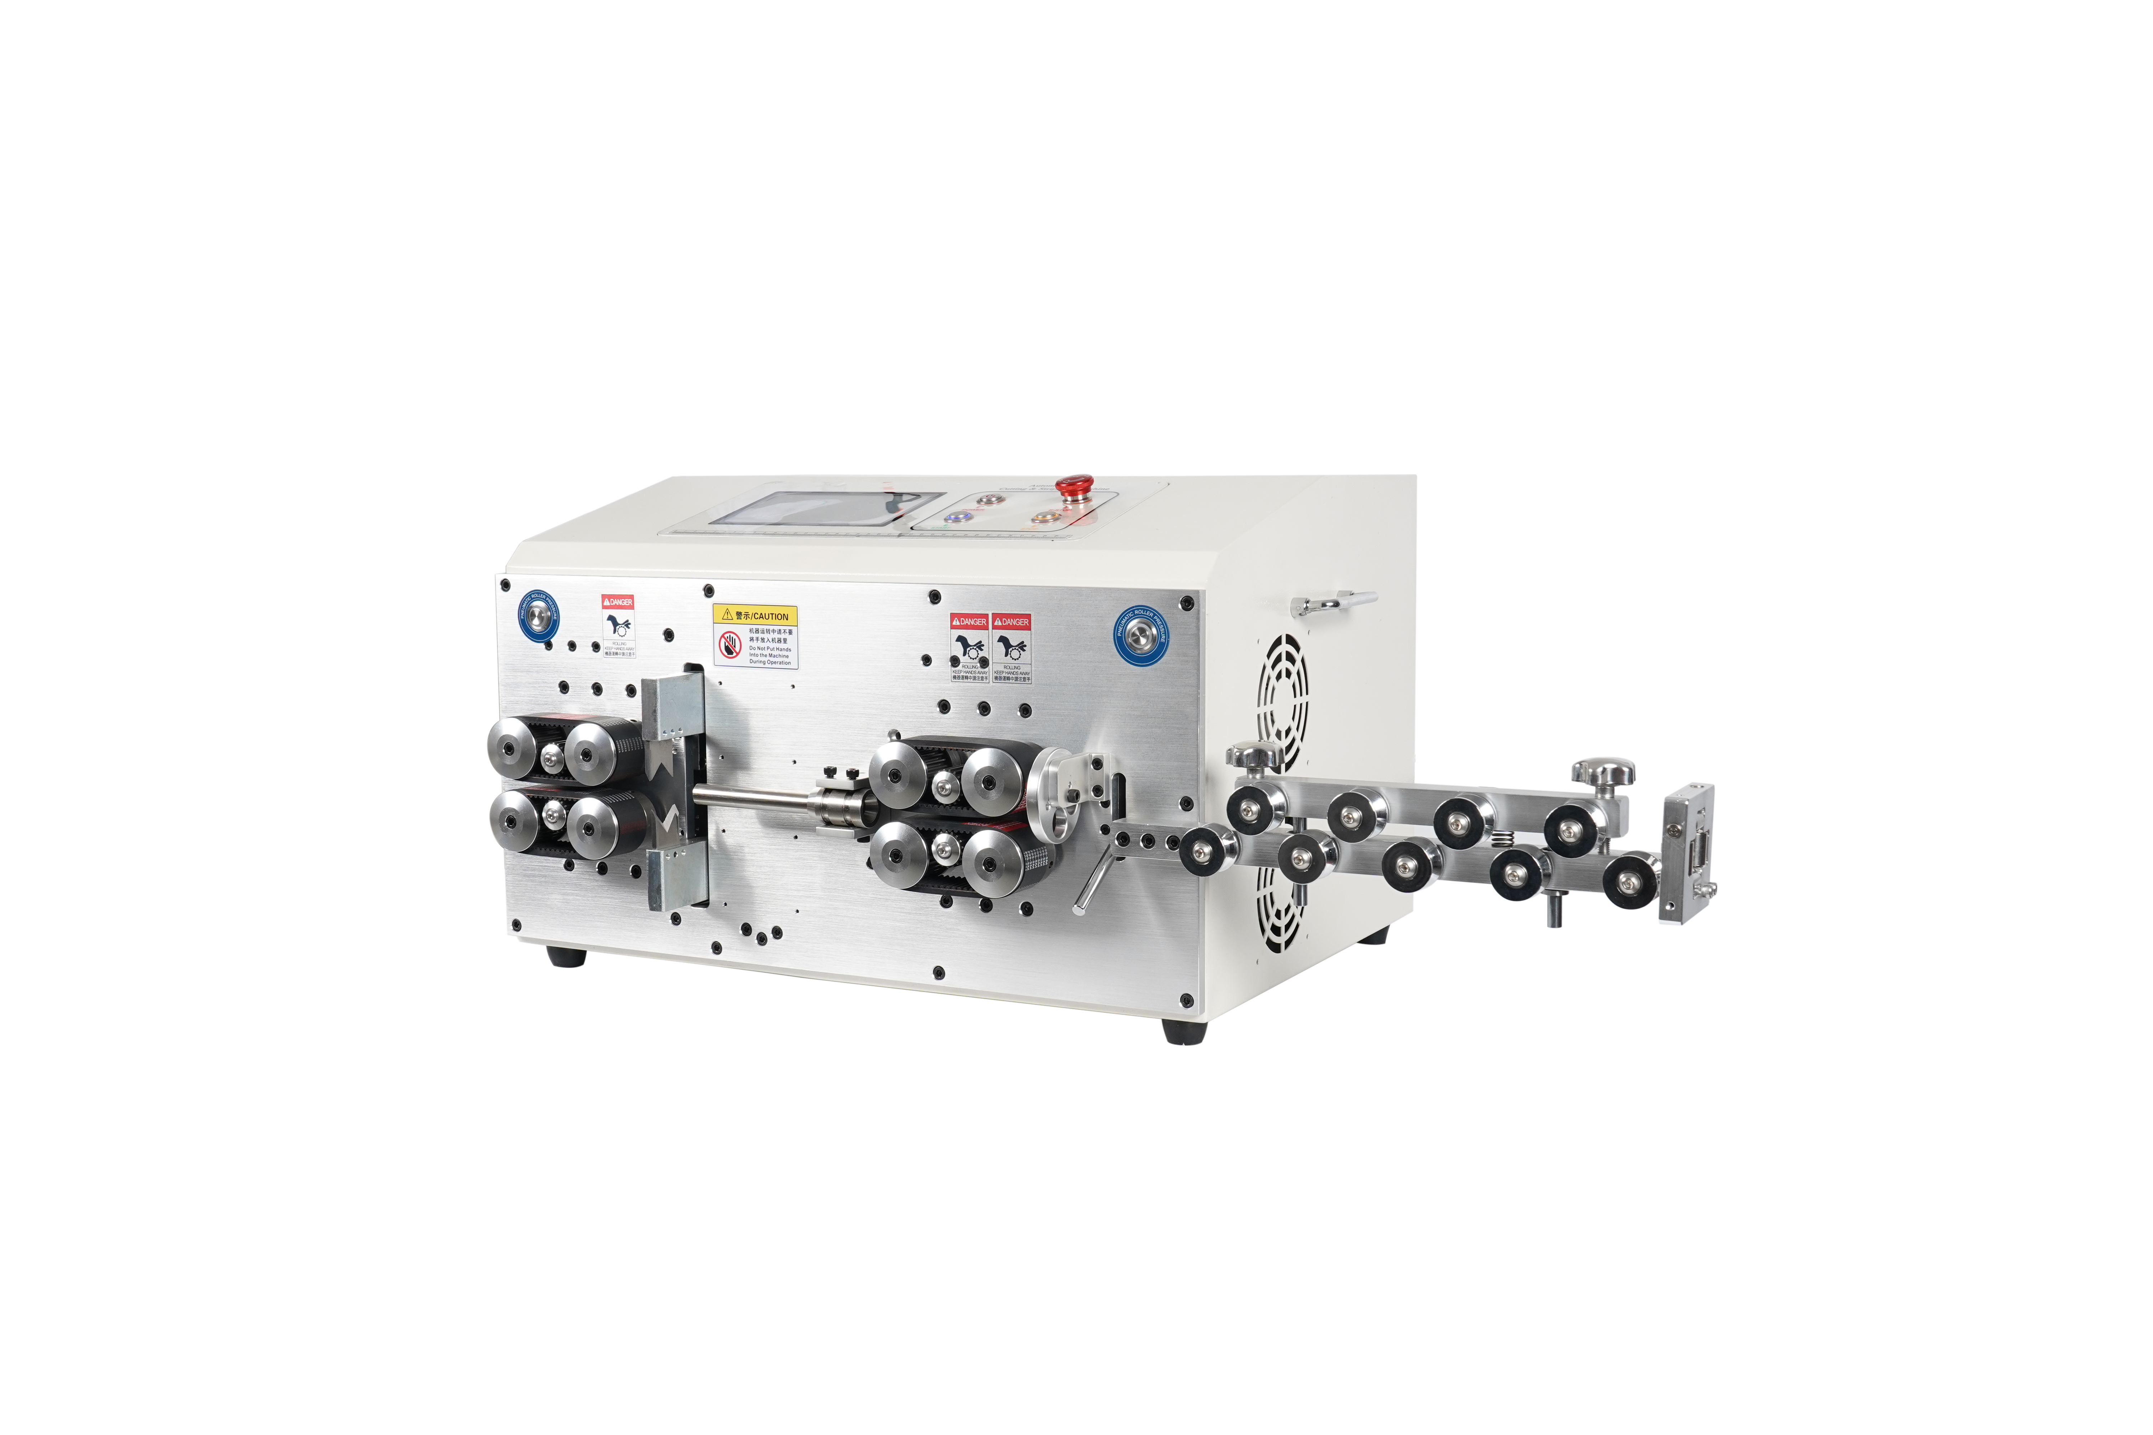

Model | HR-ST70SV
Voltage | 110V/220V
Power | 2000W
Display | 7 inch touch screen
Wire Spe | 1.0~70mm² (BV wire maximum 50mm², BVR wire maximum 70mm²)
Max Conduit Inside Diameter | ￠20mm (Round sheath wire)
Wire Length Range | 1～9999mm
Round Sheath Front Strip | 1-200mm
Round Sheath Rare Strip | 1-150mm
70mm² BV Cable Front Strip | 1-100mm
70mm² BV Cable Rare Strip | 1-100mm
Length Accuracy | ± (0.002xL)mm
Blade Material | Hard Speed Steel
Output | 3000-3500pcs/H (L=200MM）
Machine Dimension | 65*57*45cm
Machine Weight | 108KG
Driving Mode: | 8-Wheel Belt Drive

